Intro to Charts
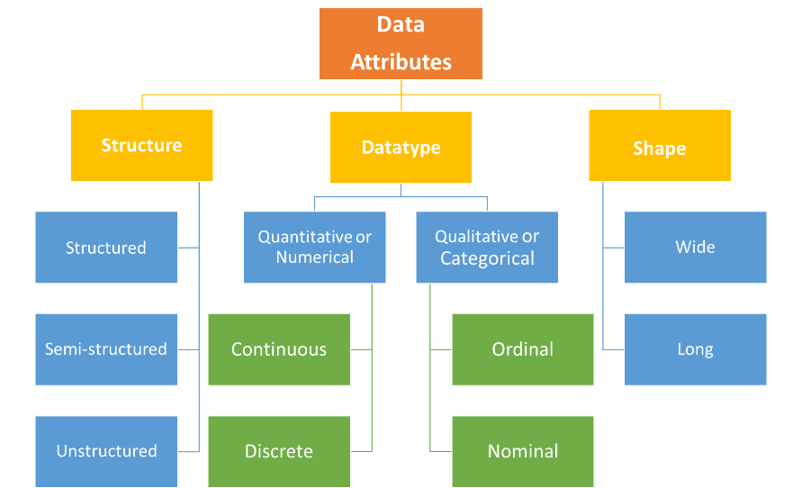
Charts (200+)
bar
pie

Type of the data (Data types)
Char | text or str | categorical
Numeric | int, float, date, time, bool | categorical / continuous

Analysis / Data Science
Categorical columns
Continuous column
 |  |  |  | Gender | Gender | Gender
 |  |  |  | Male | M | 0
Students |  |  |  | Female | F | 1
name | abc, def, ….. |  | All categorical variables are of char type
rollno | 1001, 1002, 1003… |  | All char type variables are always categorical
class | 1, 2, 3, 4, 5…
subjects | E, H, M, S, Sl St. |  | All numeric variables are continuous
blood group | A+, B+, AB-… |  | All continuous variables are of numeric type
gender | 0/1
dob | 20 Jan 2003, 24 Aug 1999
class attended
marks
height/Weight

Categorical | Nominal/Ordinal | When there is no natural ordering in the data: Blue,Red, Tellow
 |  | Natural ordering avilable: S<M<L<XL

Continuous | Discrete/ Numeric
Finance
Marketing

C1
Column Chart
Compare data of one continous variable for individual sub items

Region | Sales ($M)
EMEA | 70
JAPA | 45
US | 55
LACC | 75

C2
Clustered Column Chart
Compare data of multiple continous variables for individual sub items

Region | Sales Q1 | Sales Q2
EMEA | 30 | 70
JAPA | 45 | 44
Clustered Column Chart
US | 55 | 40
LACC | 75 | 55

C3
Bar Chart
Compare several categories of data for individual sub items
Good for displaying long data labels

Region | Sales ($M)
EMEA (Europe, Middle East & Africa) | 50
JAPA (Japan, Asia Pacific) | 45
US (United States of America) | 55
JAPA (Japan, Asia Pacific) | 45
US (United States of America) | 55
LACC (Latin America incl Canada) | 75
EMEA (Europe, Middle East & Africa) | 50
JAPA (Japan, Asia Pacific) | 45
US (United States of America) | 55
JAPA (Japan, Asia Pacific) | 45
US (United States of America) | 55
LACC (Latin America incl Canada) | 75
EMEA (Europe, Middle East & Africa) | 50
JAPA (Japan, Asia Pacific) | 45
US (United States of America) | 55
JAPA (Japan, Asia Pacific) | 45
US (United States of America) | 55
LACC (Latin America incl Canada) | 75
EMEA (Europe, Middle East & Africa) | 50
JAPA (Japan, Asia Pacific) | 45
US (United States of America) | 55
JAPA (Japan, Asia Pacific) | 45
US (United States of America) | 55
LACC (Latin America incl Canada) | 75

C4
Line Chart
Is used to show trends over a period of time
Line Chart
Month | batch1 | batch2
Jan | 50 | 60
Feb | 45 | 65
Mar | 55 | 40
Apr | 75 | 90

